IT Technical Specification
 | IT TECHNICAL SPECIFICATION
ORGANIZATION
PROJECT NAME | KANVASS
Project Participants | Mark Gaskin | 16111931
 | Patrick Moran | 16102860
 | Stefan Dworschak | 15037835
 | Tetsuya Matsushita | 15045111

PROJECT
OVERVIEW
Kanvass is an innovative presentation service that allows the user to amalgamate traditional presentation structures with new media applications on a single platform. All users of the platform will be able to create new presentations which will give them the ability to add traditional presentation slides along with graphical analysis, media content, social media attributes, research studies and even location services which will provide the reader with a complete understanding of the subject. The user will be able to design the structure of the presentation by chopping and changing their presentation until they are happy to share it with friends or colleagues. The intended customers are Corporate Businesses/Enterprises who can share new process flows, ideas, analysis easily and quickly with a new edge. Marketing/Sales staff can create new proposals to win business or create marketing portfolios. Students/Colleges create interactive content to share for better learning experiences. For Private Users the platform will help celebrate special moments in their lives with loved ones (e.g. Engagement/Weddings, Birthdays etc) they can also express creativity and share with friends & family.
OBJECTIVE
The Kanvass project will consist of creating a marketable self-creation tool based upon the the ability to add traditional presentation formats alongside new media tools to create an all-encompassing presentation suite.
RISKS
The single greatest risk to the company is entering an already established market and gaining a solid foothold. Also, due to our current non-trading situation we are looking at opportunity loss. This results in potential customers using other competitor platforms.

TECHNICAL USAGE DESIGN DIAGRAM
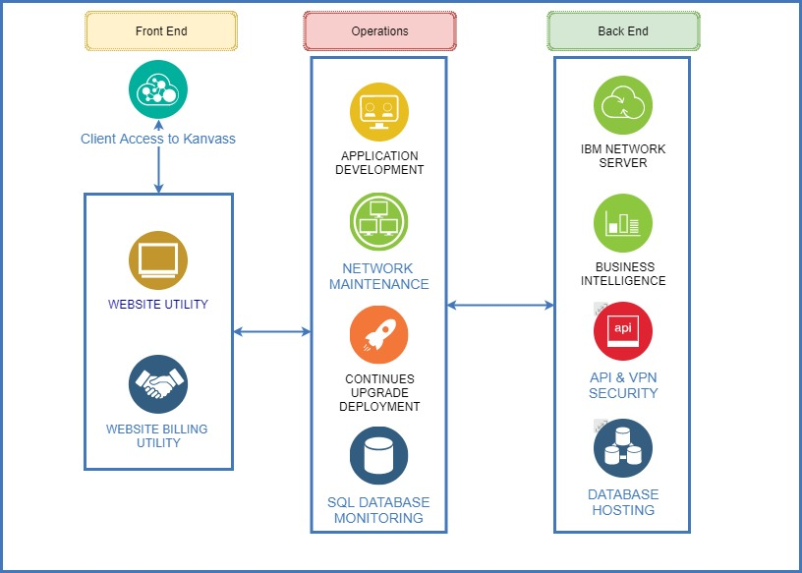 The diagram should illustrate all required new and existing technical resources.
COMPONENTS
CONNECTION & LOCATION
Designate how new infrastructure will connect within existing infrastructure and where it will be located.
SERVERS & STORAGE & NETWORK
Except in the case that specific tech issues are expected to require physical resources, assume all are virtual.
LOGICAL DATA FLOW
CRITICAL ANCILLARY EQUIPMENT & CONNECTIONS
System Architecture
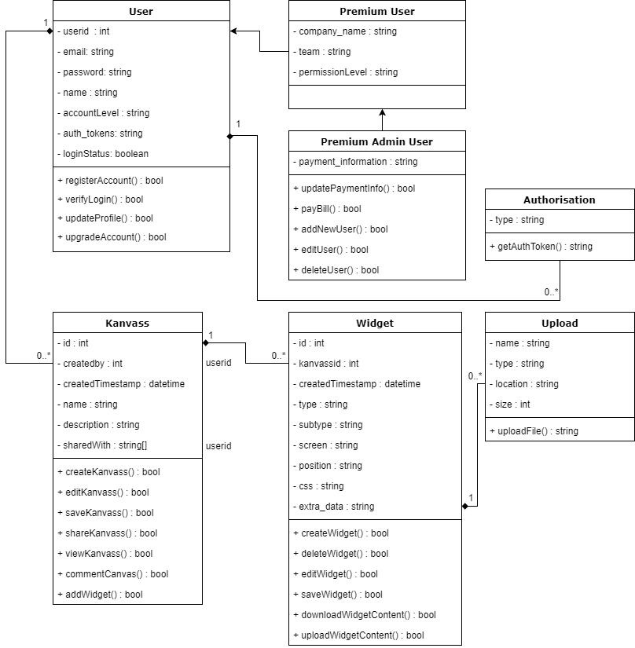

TECHNICAL SPECIFICATIONS
SERVERS
APPLICATION SERVERS
operating system
application memory requirements
application CPU requirements
functional characteristics
expected application transaction volume
FILE SERVERS
operating system
application memory requirements
application CPU requirements
functional characteristics
expected application transaction volume
WEB SERVERS
operating system
application memory requirements
application CPU requirements
functional characteristics
expected application transaction volume
DATABASE SERVERS
operating system
application memory requirements
application CPU requirements
functional characteristics
expected application transaction volume
SERVER REQUESTS
List required server needs, file names, or attached completed request forms.

ACCESS REQUIREMENTS
Define number of users requiring simultaneous access, and list user communities (developers, IT, vendors, etc.).

DATABASES
Describe each database required and its function. Include database version required, Oracle or SQL server, memory requirements, CPU requirements, storage amount needed in first year in GB, projected annual growth in % or GB, expected transaction volume, special data preservation requirements, and tech spec data sheet if available.

RESOURCE REQUIREMENTS
STAFF RESOURCES
Developers x 2 Quality Assurance x 1 DBA x 1 Network Engineer x 1
STAFF DEPENDENCIES
Developers & Network Engineer

ASSUMPTIONS
List all assumptions impacting documentation, technical design, and project cost estimate.

ISSUES & CONCERNS
List all issues and concerns impacting documentation, technical design, and project cost estimate.

DOCUMENT TRACKING
VERSION | EDITS COMPLETED BY | DATE | DESCRIPTION OF EDIT
0.1 | Mark Gaskin | 04/05/2018 | Introduction details added - Organisation, Project overview, Project objectives, Project risk and Techincal usage design diagram.
0.2 | Mark Gaskin | 05/04/2018 | System Architecture

